Sheet1
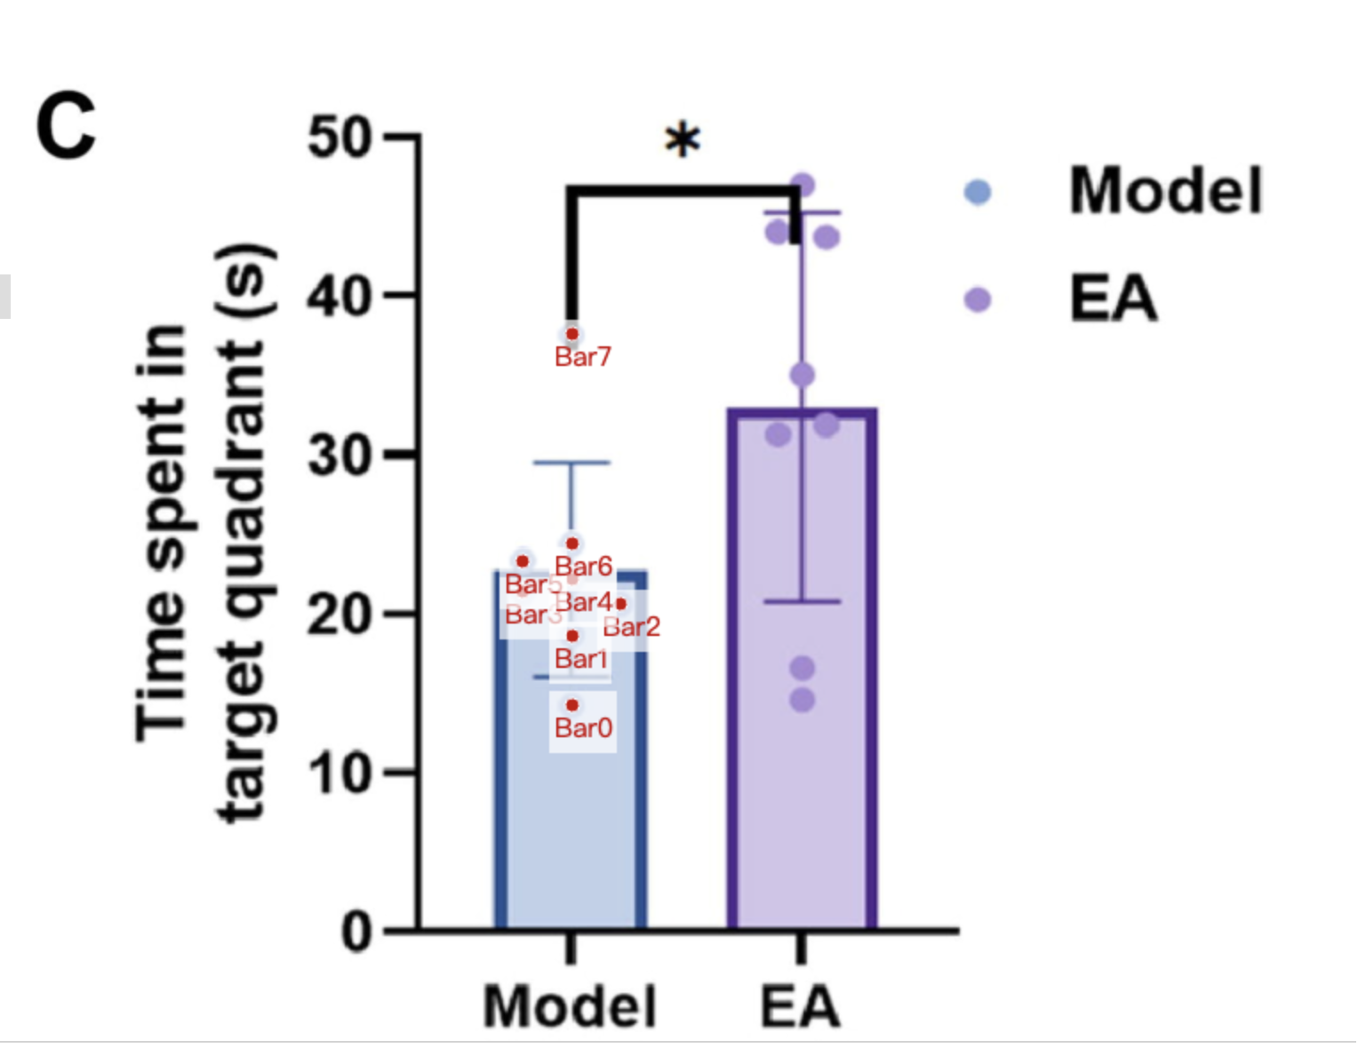
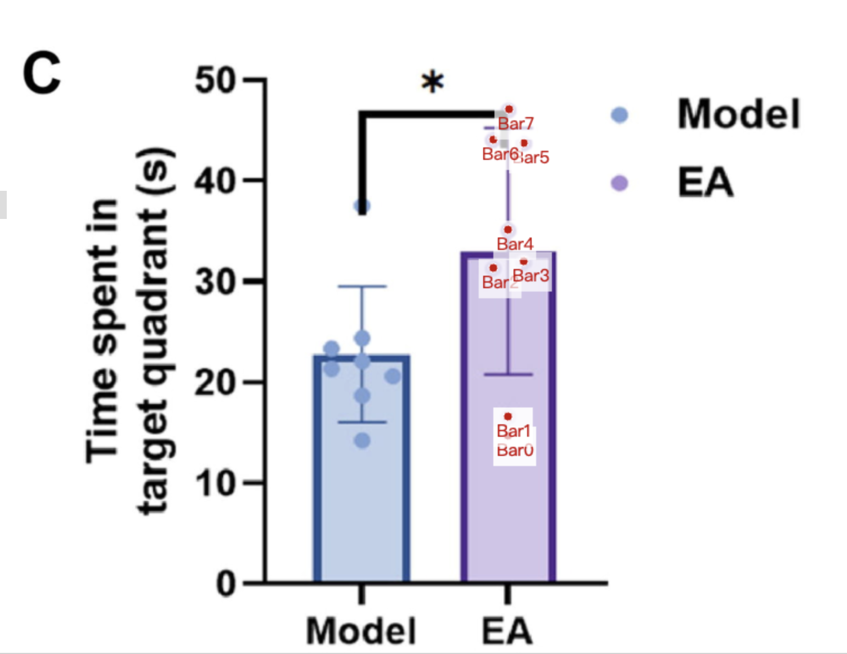
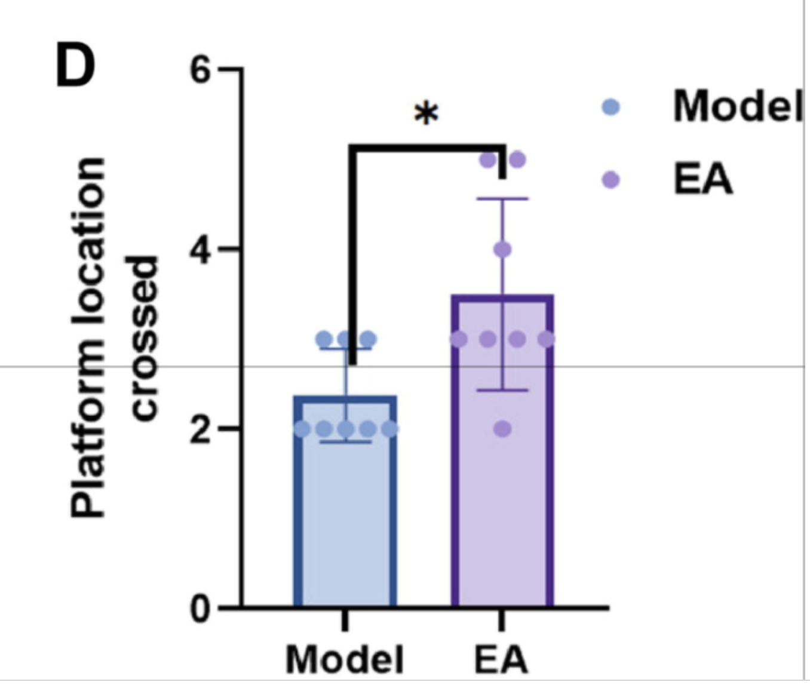
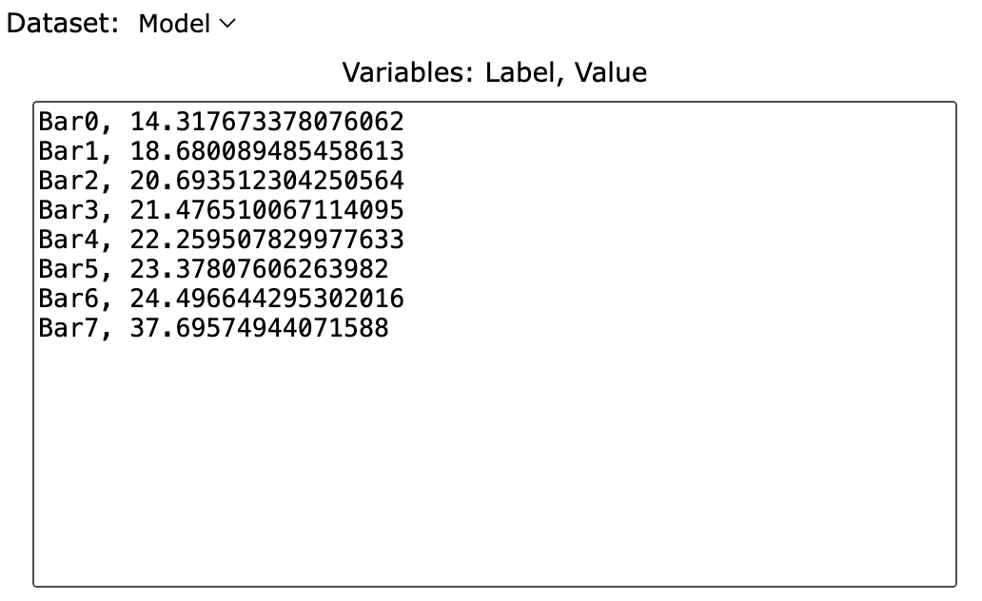
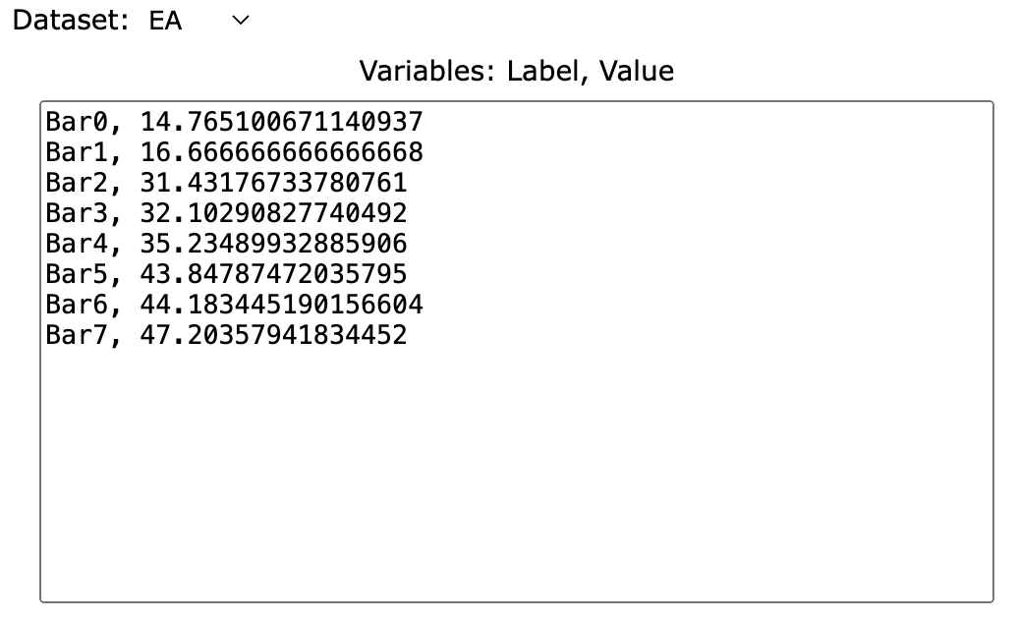
Treatment Groups | Model_time_spend_in_target_quadrant (s) | EA_time_spend_in_target_quadrant | Model_Platform_location_crossed | EA_Platform_location_crossed
point1 | 14.317673378 | 14.765100671 | 2 | 2
point2 | 18.680089485 | 16.666666667 | 2 | 3
point3 | 20.693512304 | 31.431767338 | 2 | 3
point4 | 21.476510067 | 32.102908277 | 2 | 3
point5 | 22.25950783 | 35.234899329 | 2 | 3
point6 | 23.378076063 | 43.84787472 | 3 | 4
point7 | 24.496644295 | 44.18344519 | 3 | 5
point8 | 37.695749441 | 47.203579418 | 3 | 5
mean | 22.87472036 | 33.1795302 | 2.375 | 3.5
sd | 6.766050077 | 12.25781317 | 0.5175491695 | 1.069044968

